sheet1
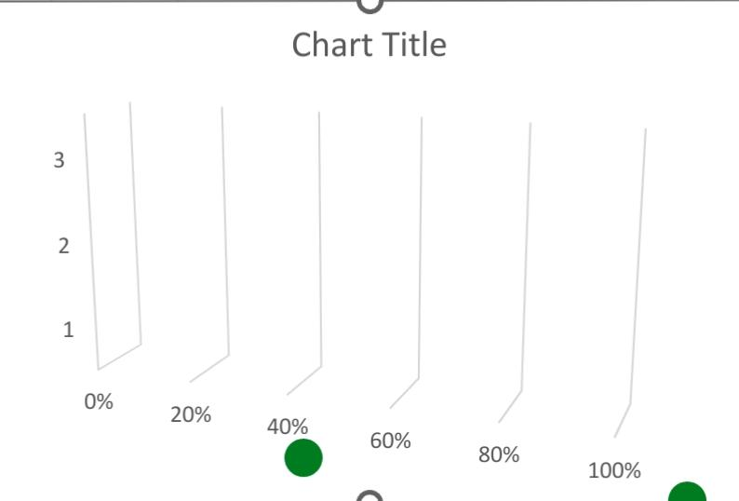
NAME | FTE
Minerva Ricardot | 1
Oona Donan | 0.8
Mick Spraberry | 1
Freddy Linford | 1
Mackenzie Hannis | 0.7
Collen Dunbleton | 1
Nananne Gehringer | 1
Jessica Callcott | 0.9
Leena Bruckshaw | 1
Billi Fellgate | 0.8
Magnum Locksley | 0.3
Cletus McGarahan | 1
Wyn Treadger | 1
Evangelina Lergan | 1
Verla Timmis | 1
Jo-anne Gobeau | 1
Devinne Tuny | 1
Pearla Beteriss | 0.5
Maritsa Marusic | 0.4
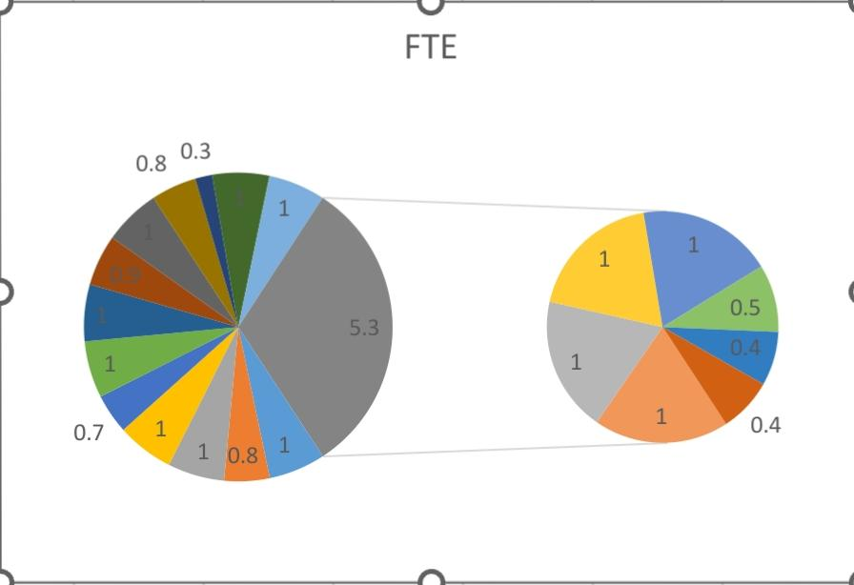
Daisie McNeice | 0.4

